Sheet1
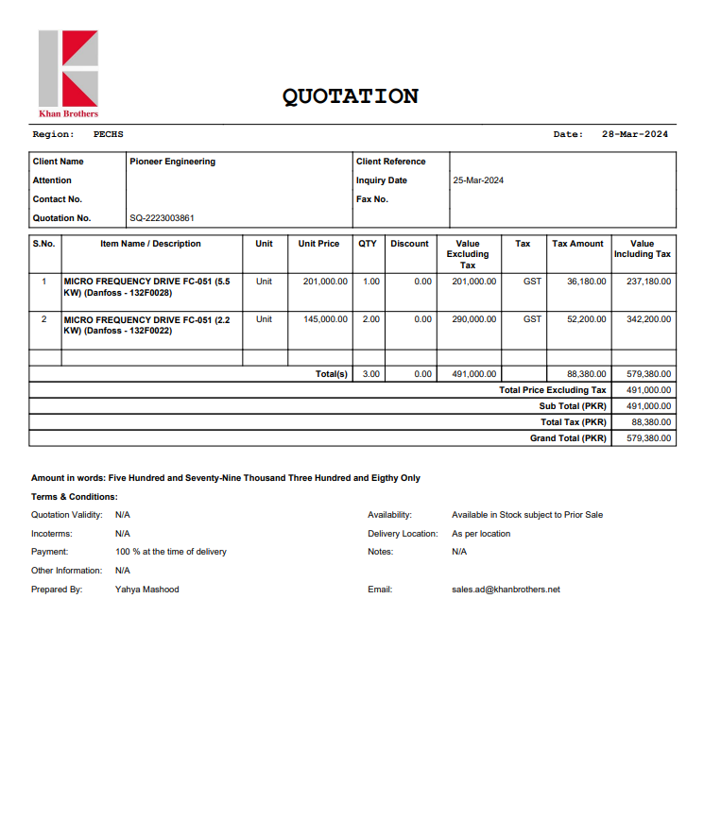


PES/DB/10/04/24 |  |  |  |  |  |  | 2024-04-24

Attn: Syed Talal.

Variation order for Supply of New VFDs - Deutsche Bank Dolmen Mall Clifton Karachi

S. # | Description | Material Rate | Labour Rate | Over Head profit 10% | Unit | Qty | Amount
 | Supply of following material:
1 | MICRO FREQUENCY DRIVE FC-051 (5.5 KW) (Danfoss - 132F0028) | 237,180 | 15,000 | 25,218 | No | 1 | 277,398
2 | MICRO FREQUENCY DRIVE FC-051 (2.2 KW) (Danfoss - 132F0022) | 171,100 | 15,000 | 18,610 | No | 2 | 409,420
Total Amount Rs. |  |  |  |  |  |  | 686,818

Thanking you,

For PIONEER ENGINEERING SERVICES.

Bilal Habib

